Sheet1
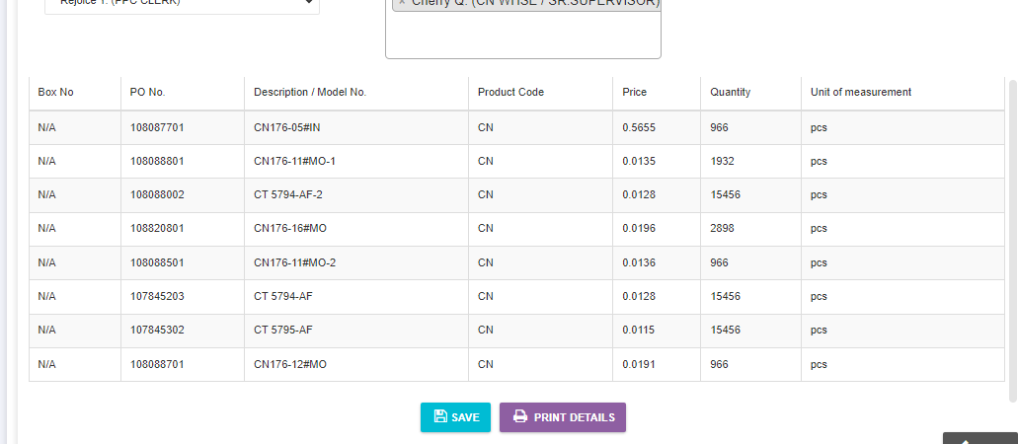

SUBSYSTEM PACKING LIST

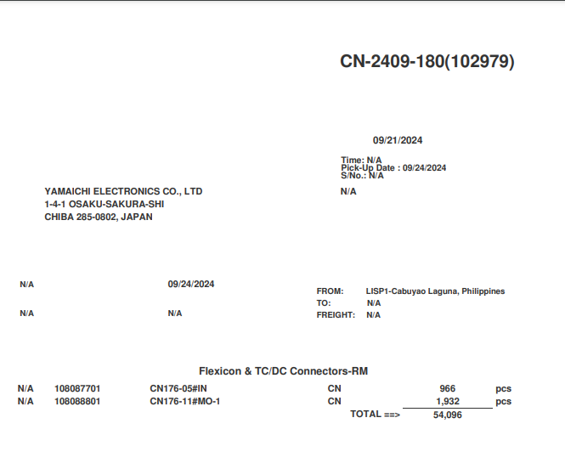
ACTUAL PRINT PACKING LIST

